Sheet1
Rotary encoder switch types |  |  |  |  | means LOW (false) |  |  |  |  |  |  |  | C=CLOCK D=DATA |  |  |  |  |  |  |  | CLOCKWISE

Conductive pads

Detent 1 |  |  | C | D |  |  | C | D |  |  | C | D |  |  | C | D |  |  | C | D |  |  | C | D |  |  | C | D |  |  | C | D
Detent 2 |  |  |  | C | D |  |  | C | D |  |  | C | D |  |  | C | D |  |  | C | D |  |  | C | D |  |  | C | D |  |  | C | D
Detent 3 |  |  |  |  | C | D |  |  | C | D |  |  | C | D |  |  | C | D |  |  | C | D |  |  | C | D |  |  | C | D
Detent 4 |  |  |  |  |  | C | D |  |  | C | D |  |  | C | D |  |  | C | D |  |  | C | D |  |  | C | D |  |  | C | D
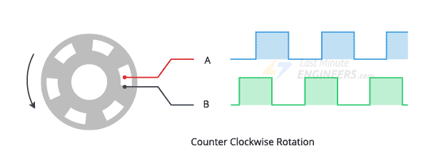
Interrupt A going HIGH | Store TRUE in A
 | If B is TRUE it was leading = clockwise

Interrupt A going LOW | Store FALSE in A
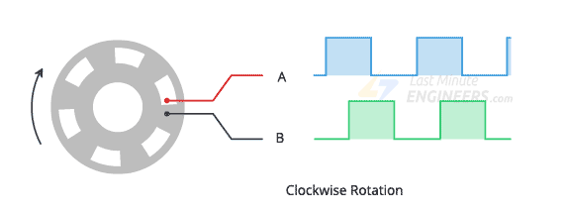

Interrupt B going HIGH | Store TRUE in B
 | If A is TRUE it was leading = anti-clockwise

Interrupt B going LOW | Store FALSE in B

Conductive pads

Detent 1 |  |  | C | D |  |  | C | D |  |  | C | D |  |  | C | D |  |  | C | D |  |  | C | D |  |  | C | D |  |  | C | D
 |  |  |  | C | D |  |  | C | D |  |  | C | D |  |  | C | D |  |  | C | D |  |  | C | D |  |  | C | D |  |  | C | D
Detent 2 |  |  |  |  | C | D |  |  | C | D |  |  | C | D |  |  | C | D |  |  | C | D |  |  | C | D |  |  | C | D
 |  |  |  |  |  | C | D |  |  | C | D |  |  | C | D |  |  | C | D |  |  | C | D |  |  | C | D |  |  | C | D

 |  |  |  |  |  |  | detents

Clock pulse

 |  | change

DATA Clockwise |  |  |  | 0 | 1 |  |  | 1 | 0 |  |  | 0 | 1 |  |  | 1 | 0 |  |  | 0 | 1

 |  |  |  | 0 | 0 |  |  | 1 | 1 |  |  | 0 | 0 |  |  | 1 | 1 |  |  | 0 | 0
DATA Counter clockwise

